Smoke,sanity
Smoke/Sanity Test case for Ecommerce Web Application

SI NO | Test Case ID | Objective | Pre-requisite | Steps | Test Data | Expected Result | Actual Result | Proof | Status
1 | TC_E-com_Reg_001 | To verify and validate that user is able to open the URL on browser(Chrome , firefox ,Edge) | http://automationexercise.com | 1:Open browser 2: Open the below URL https://www.automationexercise.com 3:Check url is redirecting to automation exercise | http://automationexercise.com | User should be able to open the website successfully on Chrome, Firefox, and Edge. | User is able to open the website successfully on Chrome, Firefox, and Edge. | 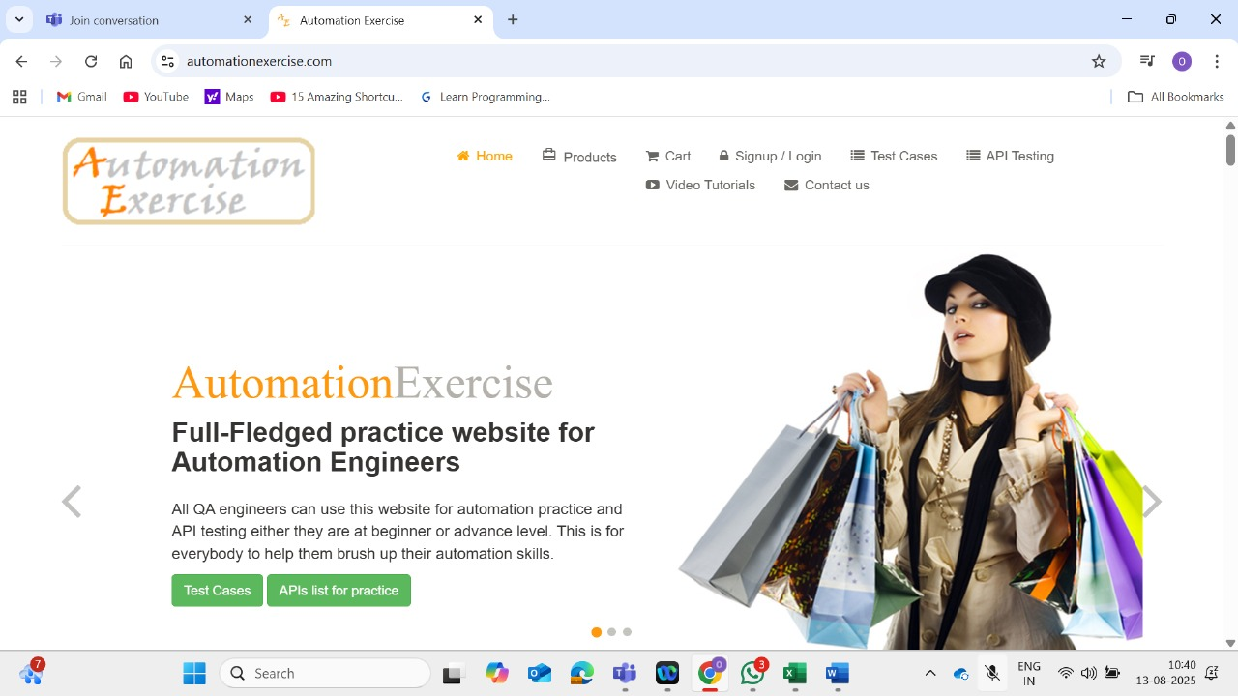 | Pass
2 | TC_E-com_Reg_002 | To verify and validate below navigation links 1.Cart 2.Signup / Login 3.Test Cases 4.API Testing 5.Video Tutorials 6.Contact us | http://automationexercise.com | 1:Open browser 2: Open the below URL https://www.automationexercise.com 3.Check for cart, signup/login, test cases, API Testing, Video Tutorials and Contact us buttons viisbility on ecommerce website(automation exercise) | Browser ,URL | User should be able to navigate to all mentioned pages successfully without errors. | User is able to navigate to all mentioned pages successfully without errors. |  | Pass
3 | TC_E-com_Reg_003 | To verify and validate that product display | http://automationexercise.com | 1. Navigate to the Cart page. 2. Click the 'X' button next to the product. | Browser ,URL and Cart page | User should be able to view products displayed correctly with details and images. | User is able to view products displayed correctly with details and images. | 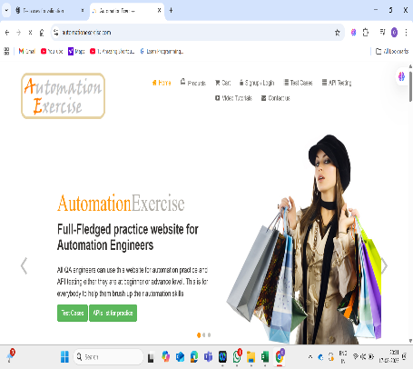 | Pass
4 | TC_E-com_Reg_004 | To verify and validate the Cart page reflect the added item.(Update and remove) | http://automationexercise.com | 1. Navigate to the Cart page. 2. Click the 'Proceed To Checkout' button. | Browser ,URL and Cart page | User should be able to see added items in the cart and update/remove them successfully. | 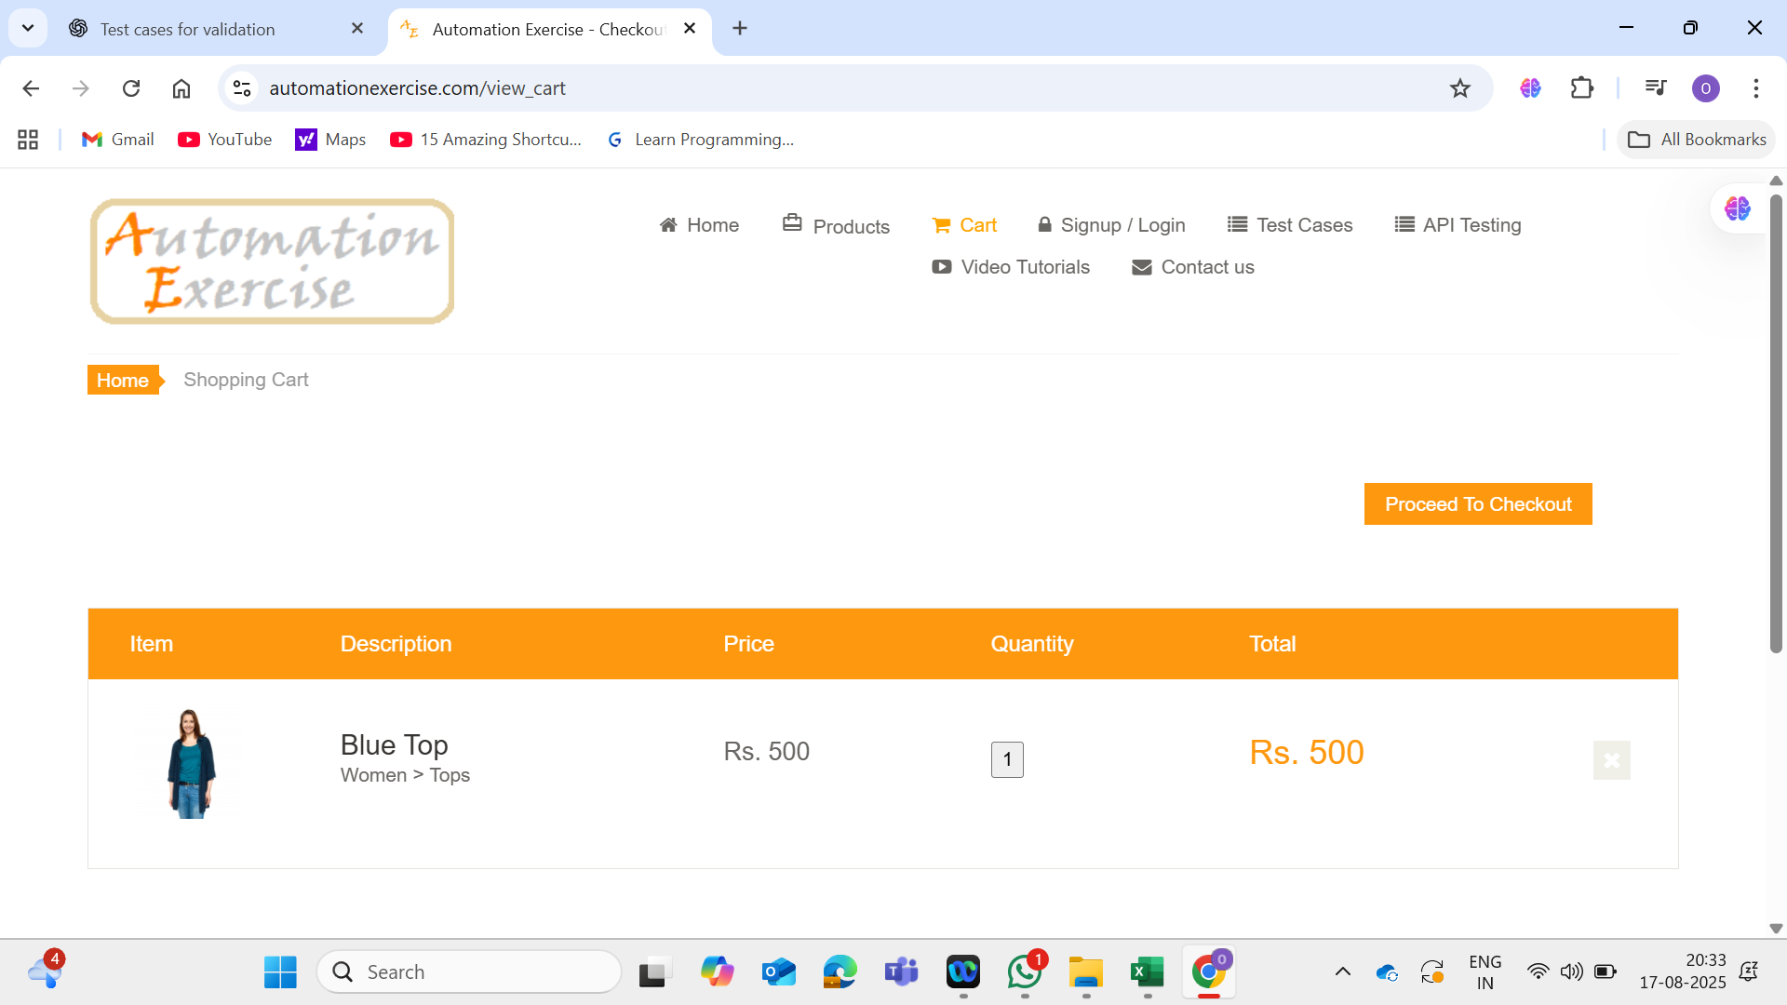 User is able to see added items in the cart and update/remove them successfully. |  | Pass
5 | TC_E-com_Reg_005 | To verify and validate the sign up and login forms load and validation appears is used. | http://automationexercise.com | 1. Go to homepage 2. Click Signup/Login 3. Enter credentials 4. Submit form | Browser ,URL and home page Email: subscriber@example.com | User should be able to load signup/login forms and validation messages should appear as required. |  User is able to load signup/login forms and validation messages appear as required. |  | Pass
6 | TC_E-com_Reg_006 | To verify and validate API page return valid responce | http://automationexercise.com | 1. Go to homepage 2. Click API Testing 3. Select endpoint 4. Observe response | Endpoint=/api/productsList | User should be able to get a valid JSON response with status 200 from the API page. | User is able to get a valid JSON response with status 200 from the API page. | 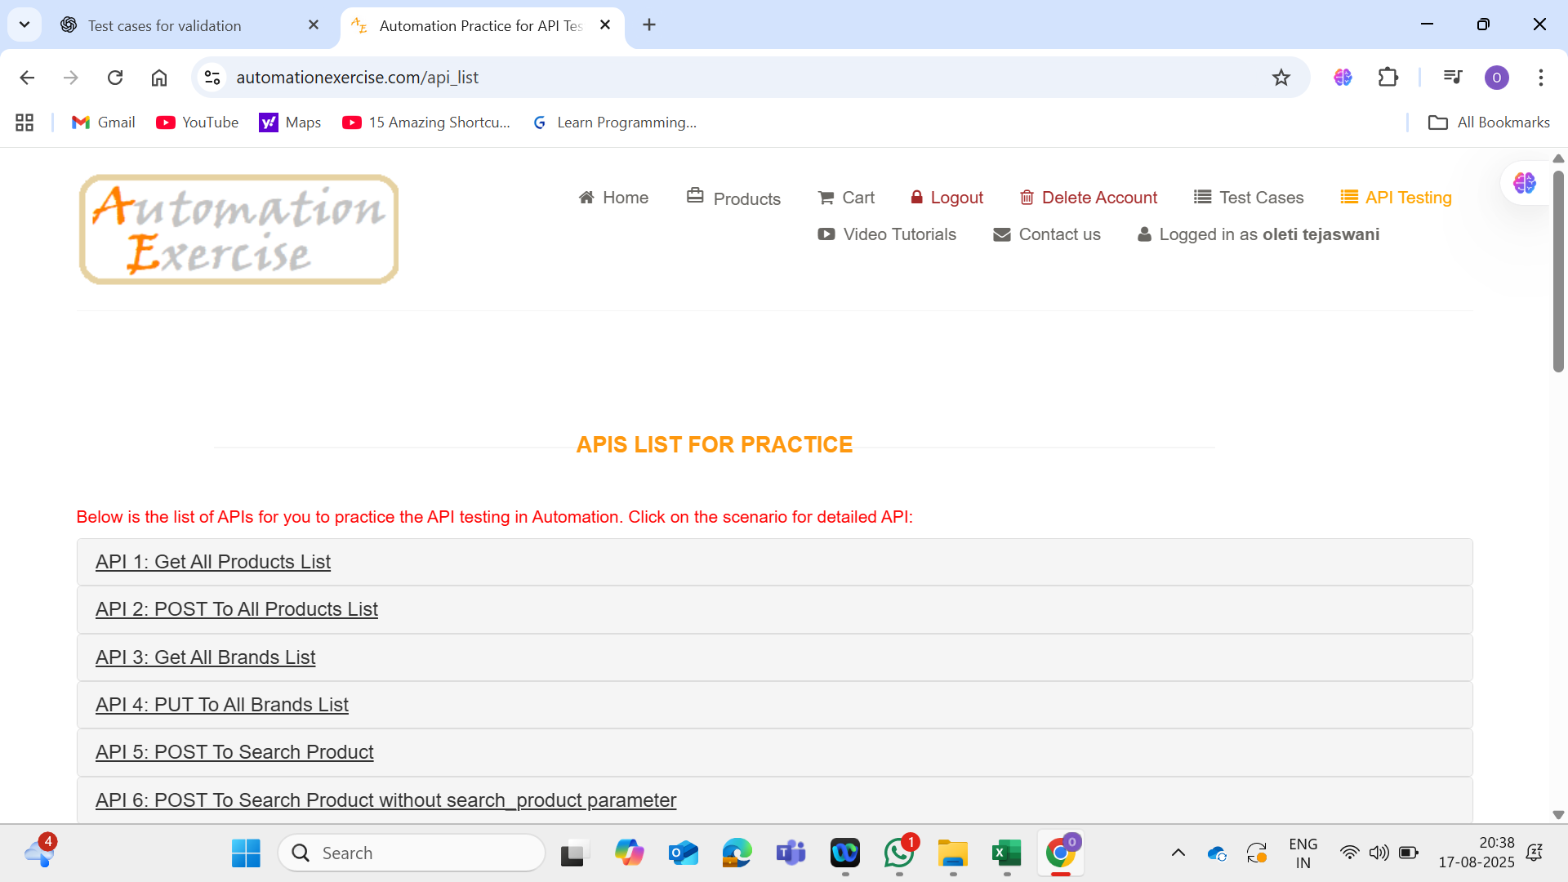 | Pass
7 | TC_E-com_Reg_007 | To verify and validate video tutorials opens YouTube successfully | http://automationexercise.com | 1. Go to homepage 2. Click Video Tutorials 3. Verify redirection | Video Tutorials link | User should be able to open YouTube successfully from video tutorials. | User is able to open YouTube successfully from video tutorials. | 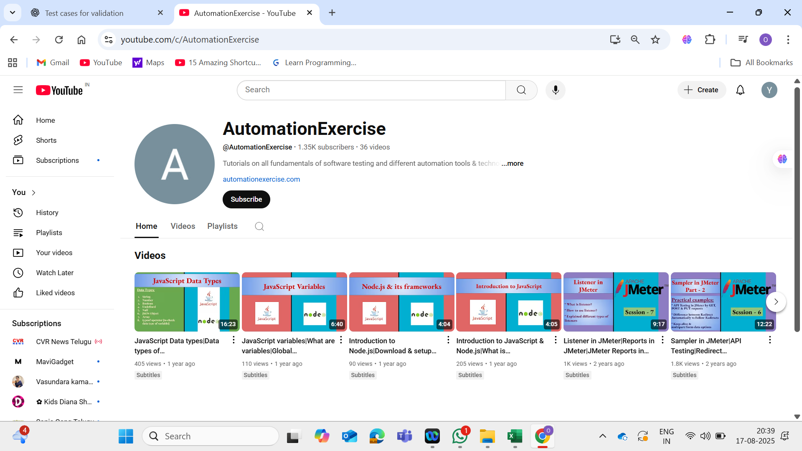 | Pass
8 | TC_E-com_Reg_008 | To verify and validate Subscription. | http://automationexercise.com | 1. Go to homepage 2. Scroll to subscription field 3. Enter email 4. Click Subscribe | Email=subscribe123@test.com | User should be able to subscribe successfully and get confirmation message. | User is able to subscribe successfully and gets confirmation message. | 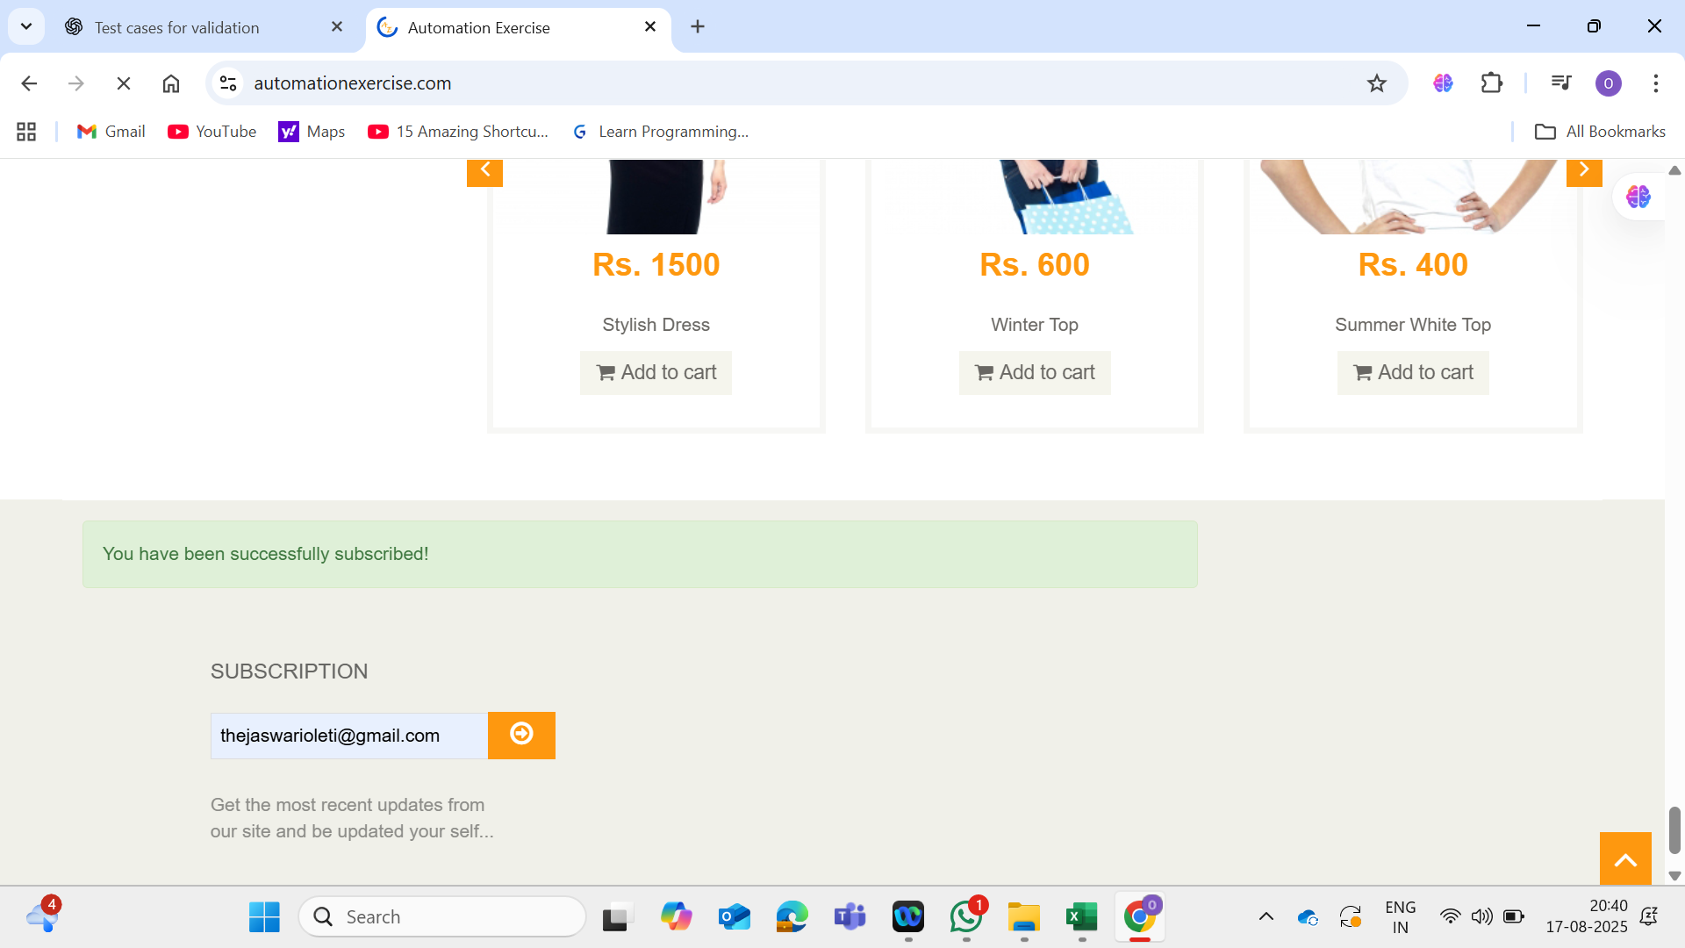 | Pass
9 | TC_E-com_Reg_009 | To verify and validate site behaviour | http://automationexercise.com | 1. Go to homepage 2. Navigate through Home, Products, Cart, Contact Us 3. Check page loads | Links tested: Home, Products, Cart, Contact Us | User should be able to navigate smoothly across the site without performance or loading issues. | User is able to navigate smoothly across the site without performance or loading issues. |  | Pass
10 | TC_E-com_Reg_010 | To verify and validate contact us form is functional. | http://automationexercise.com | 1. Go to homepage 2. Click Contact Us 3. Fill form 4. Submit | Name=John Doe Email=john@test.com Subject=Help Message=Need support for login | User should be able to submit the contact us form successfully and get confirmation message. | User is able to submit the contact us form successfully and gets confirmation message. | 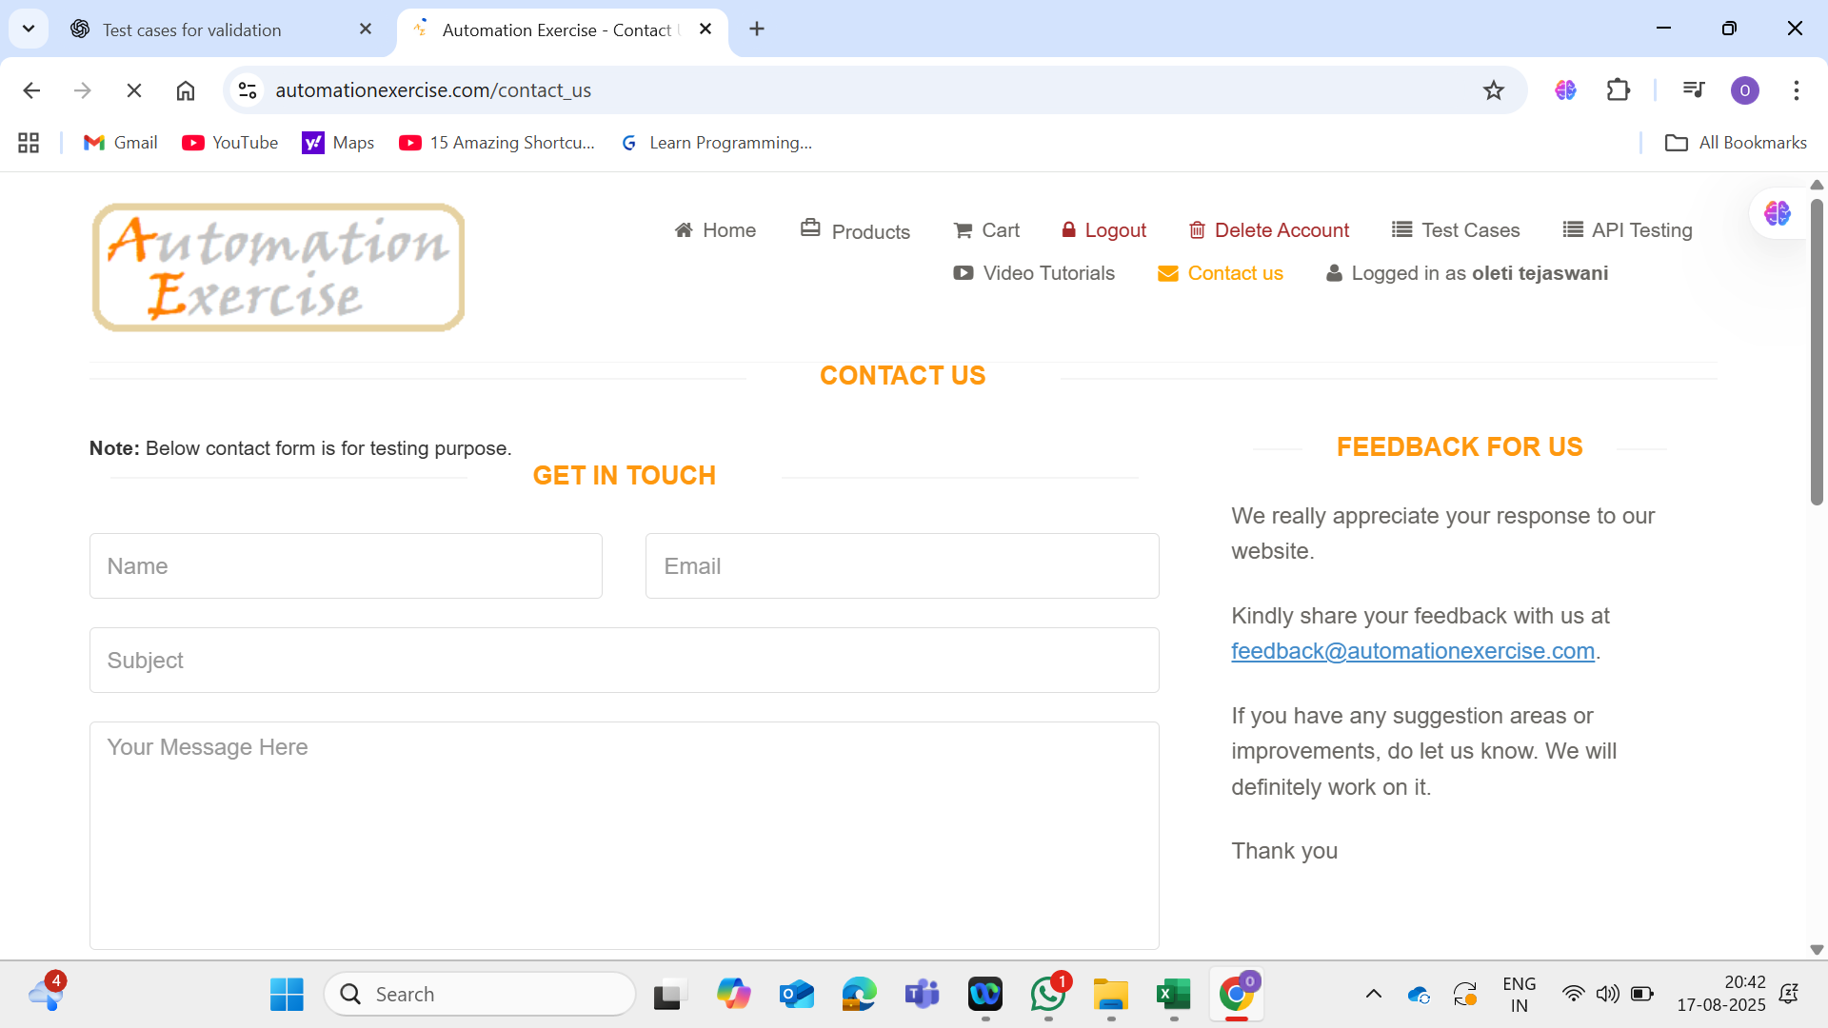 | Pass

